Registrattion form
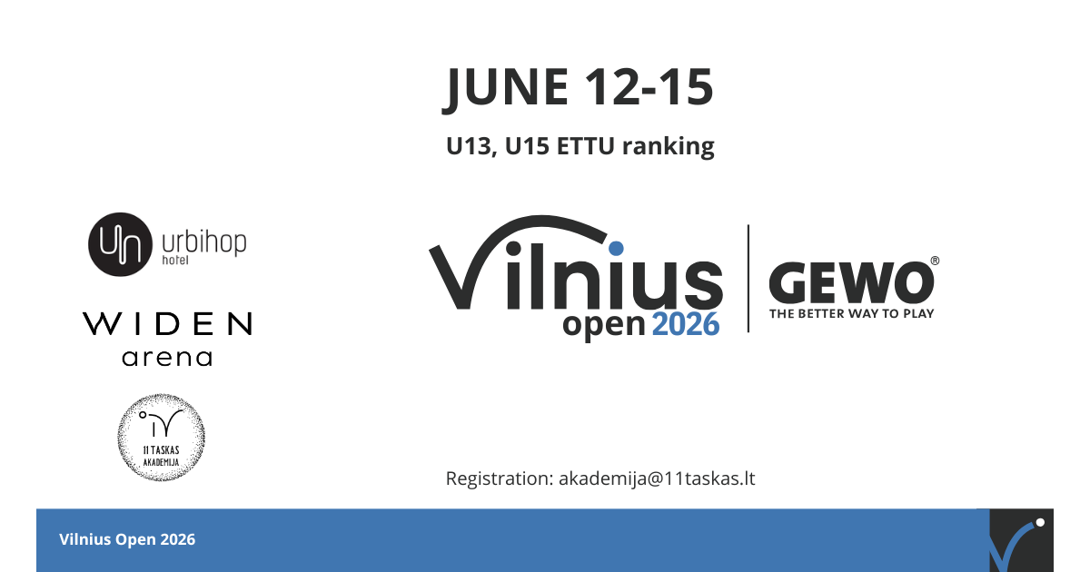

 |  | ENTRY FORM

Name of Association/club
Contact Person
Mobile/Phone
E-mail
 | Travelling by(car, plain, train):
 | Final entry form must be sent to the email of Table Tennis academy akademija@11taskas.lt, May 10, 2026

No. | First name | Last name | Birthdate | Player/Coach | ITTF ID number | U13 boys (born on or after 01.01.2013) | U13 girls (born on or after 01.01.2013) | U15 boys (born on or after 01.01.2011) | U15 girls (born on or after 01.01.2011) | Accommodation | Meal (Lunch)
1
2
3
4
5
6
7
8
9
10
11
12
13
14
15
16
17
18
19
20

